Set up
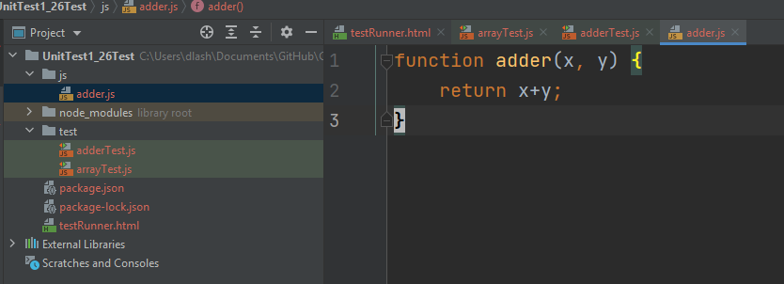
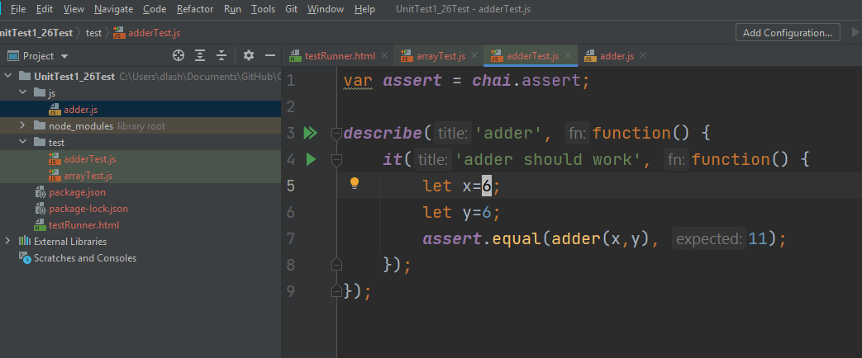
https://www.sitepoint.com/unit-test-javascript-mocha-chai/

Mocha is the library that allows us to run tests,
and Chai contains some helpful functions that we’ll use to verify our test results
To run fro browser:
With Node installed, open up a terminal or command line in your project’s directory
npm install mocha chai --save-dev

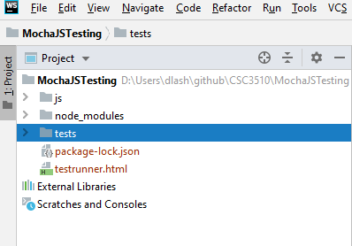
Inside webstorm, create a new project
Create folders for
js
tests

Mocha’s CSS styles to give our test results nice formattin

<!DOCTYPE html>
<html>
<head> <title>Mocha Tests</title>
<link rel="stylesheet" href="node_modules/mocha/mocha.css">
</head>
<body>
<div id="mocha"></div>
<script src="node_modules/mocha/mocha.js"></script>
<script src="node_modules/chai/chai.js"></script>
<script>mocha.setup('bdd')</script>
<!-- load code you want to test here -->
<!-- load your test files here -->
<script>
mocha.run();
</script>
</body>
</html>

ID mocha. This is where the test results are inserted

We load Mocha and Chai.

make Mocha’s testing helpers available

run the tests

Describe what we are testing
- Use 'it' to create individual tests
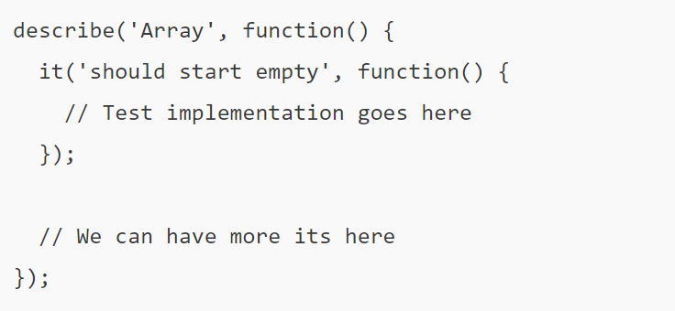

Create the following file tests/arrayTest.js
Create the following file tests/arrayTest.js

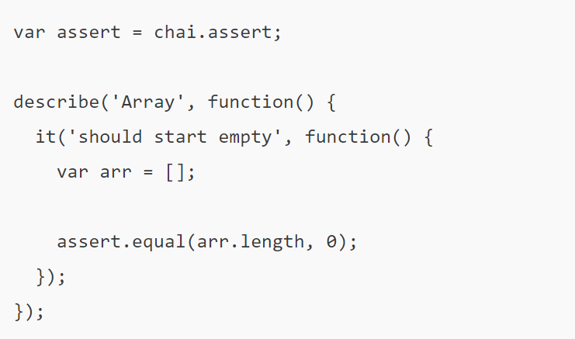

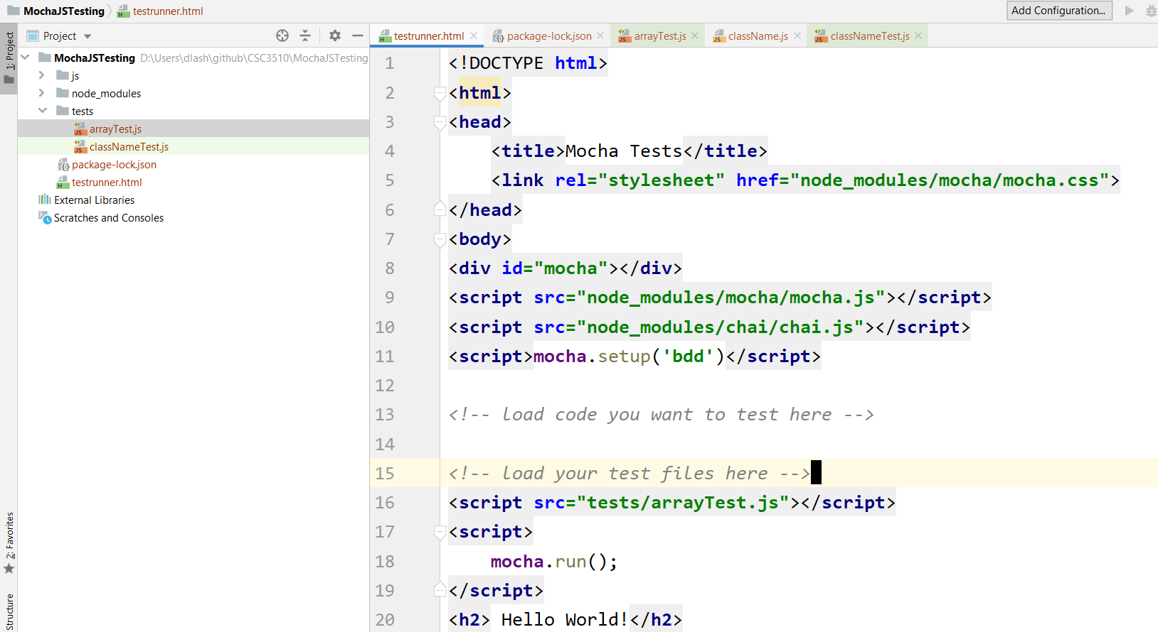

load the tests here tests/arrayTest.js ...
run in web storm to run the tests ...change it to get an error

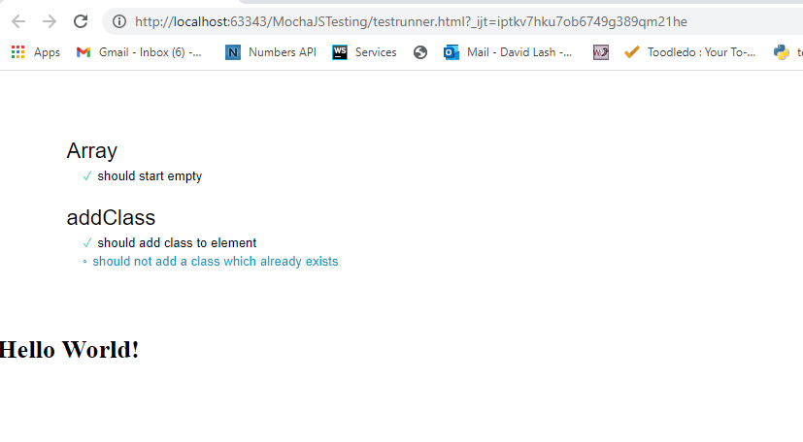

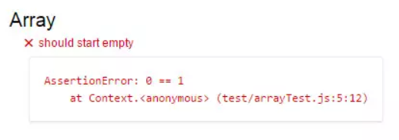

a function which adds a CSS class to an element. This should go in a new file js/className.js.
adds new class only when that class doesn’t exist in an element’s className property ... so you cannot get <div class="hello hello hello hello">

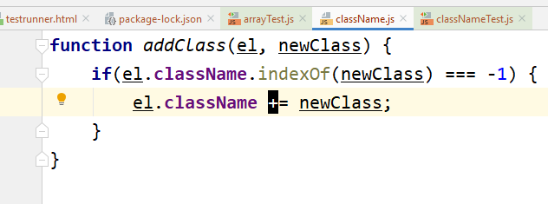

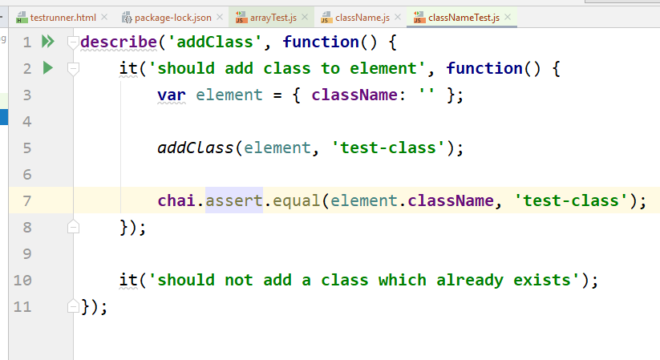

Create this test in classNameTest.js inside tests/

<!DOCTYPE html> <html> <head> <title>Mocha Tests</title> <link rel="stylesheet" href="node_modules/mocha/mocha.css"> </head> <body> <div id="mocha"></div> <script src="node_modules/mocha/mocha.js"></script> <script src="node_modules/chai/chai.js"></script> <script>mocha.setup('bdd')</script> <script src="test/adderTest.js"> </script> <script src="js/adder.js"> </script> <!-- load code you want to test here --> <!-- load your test files here --> <script> mocha.run(); </script> </body> </html>

INstall
https://www.sitepoint.com/npm-guide/
C:\Users\dlash\Documents\GitHub\CSC3510\UnitTest1_26Test>npm init

C:\Users\dlash\Documents\GitHub\CSC3510\UnitTest1_26Test>npm install node

https://www.sitepoint.com/unit-test-javascript-mocha-chai/
If you want to test code in the browser, run npm install mocha chai --save-dev
If you want to test Node.js code, in addition to the above, run npm install -g mocha

Node.js npm install
https://www.npmjs.com/get-npm

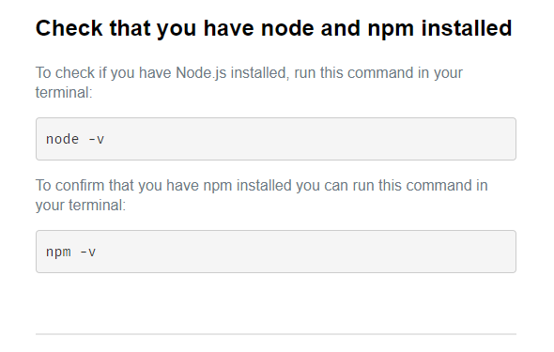
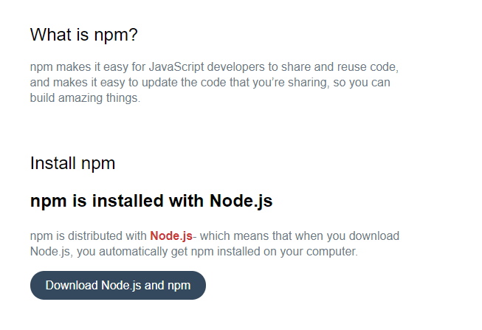

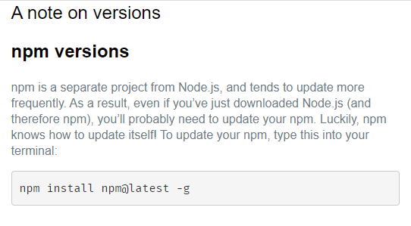

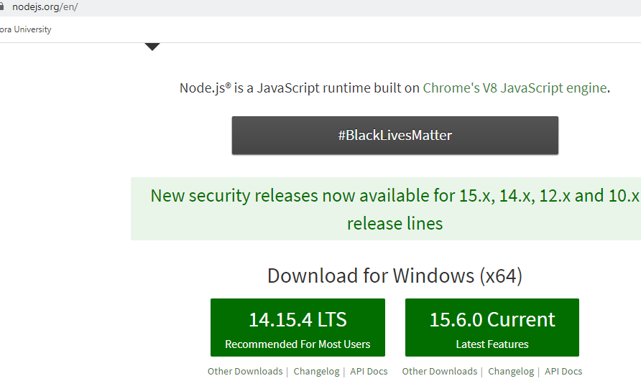

Click to download and install

Example test
let myList = [2, 4, 6, 8, 10];
function getElementByIndex( indx) {
let item = myList[indx];
return item;
}

describe( 'myList Test'

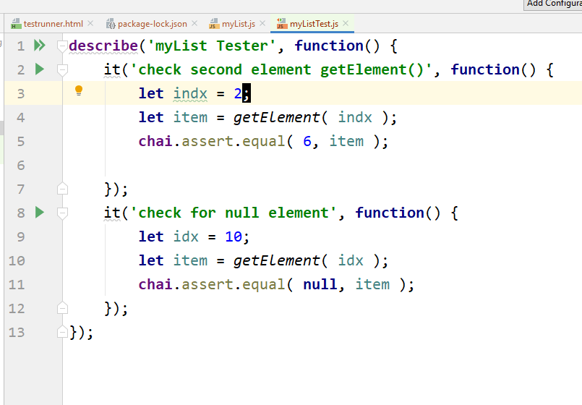

testRunner.html

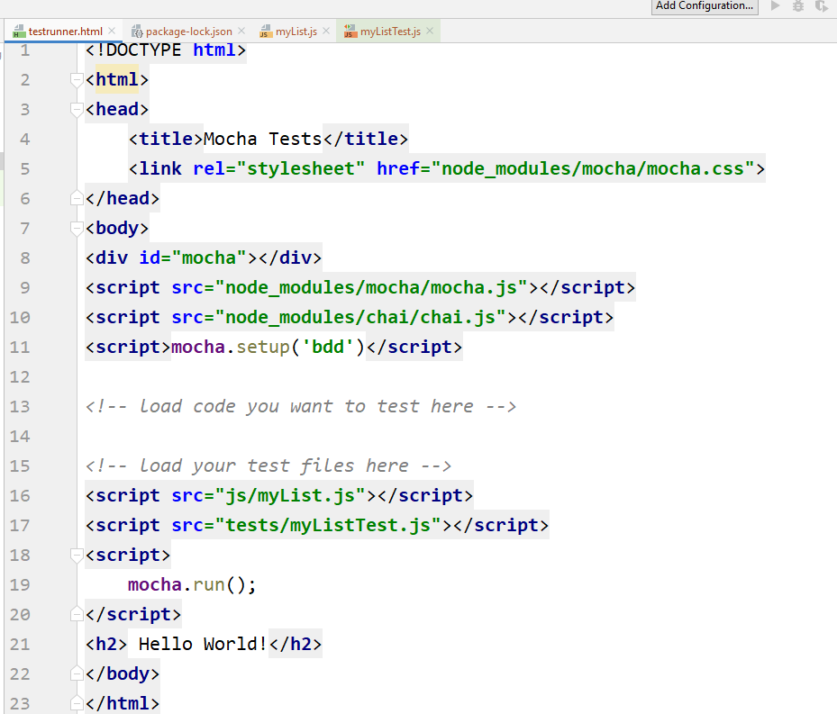
<!DOCTYPE html> <html> <head> <title>Mocha Tests</title> <link rel="stylesheet" href="node_modules/mocha/mocha.css"> </head> <body> <div id="mocha"></div> <script src="node_modules/mocha/mocha.js"></script> <script src="node_modules/chai/chai.js"></script> <script>mocha.setup('bdd')</script> <!-- load code you want to test here --> <!-- load your test files here --> <script src="js/myList.js"></script> <script src="tests/myListTest.js"></script> <script> mocha.run(); </script> <h2> Hello World!</h2> </body> </html>

Mocha JS
https://javascript.info/testing-mocha

Automated testing => write tests seperately along with code

BDD -> provides tests, documentation and examples

The Dev flow:
1. An inital spec ... write 1 or more tests for basic functionality .
2. Code an initital implementation
3. run tests (E.g., Mocha). Make correections to get working
4. Add more use cases to spec. .
5. Go to step 2 to implement and repeat until functionality is complete

Javascript Test Libraries:
- Mocha - the core framework uses describe ad it to run tests
- Chai - adds many assertions (e.g., assert.equal )
- Sinon - An overwatch library

Before creating the code of pow, we can imagine what the function should do and describe it.

describe - The overall functionality beng worked
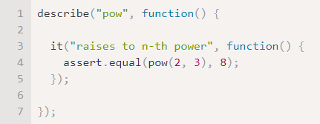

it -> The specific use-case test -> human - readable

The specific tests. . .

v

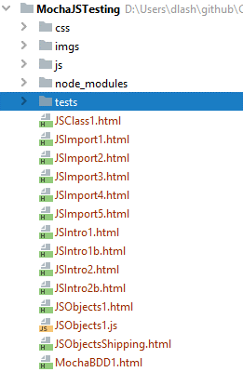
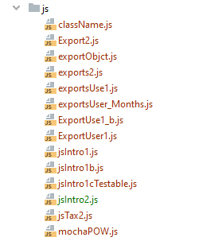

Function to be deved
Initital Assertion

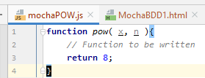
Web page to test with the test
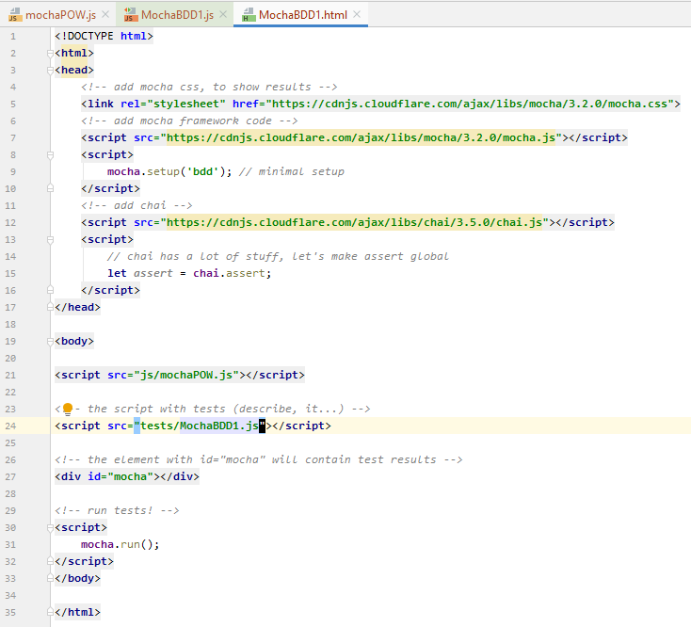
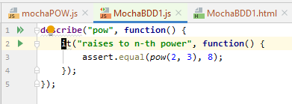

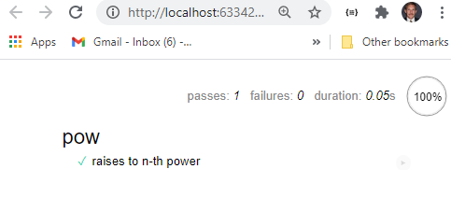

Not recommended ... if the first assert fails, then we’ll never see the result of the second assert
Can either just add assertions to general case ... or make seperate 'it' tests
This seems clearer.

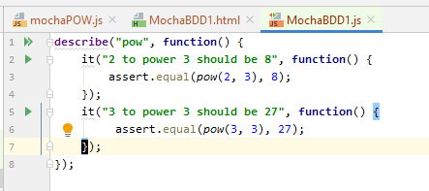
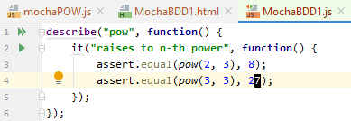

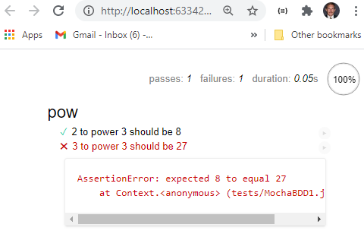

Observe that it fails ... now fix code

Improve implmentation ... and rerun

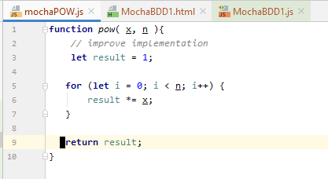
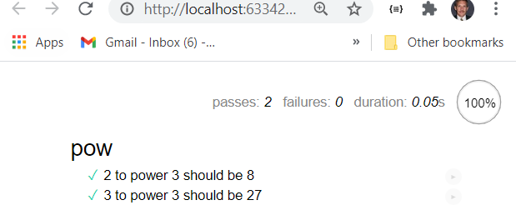

using test functions

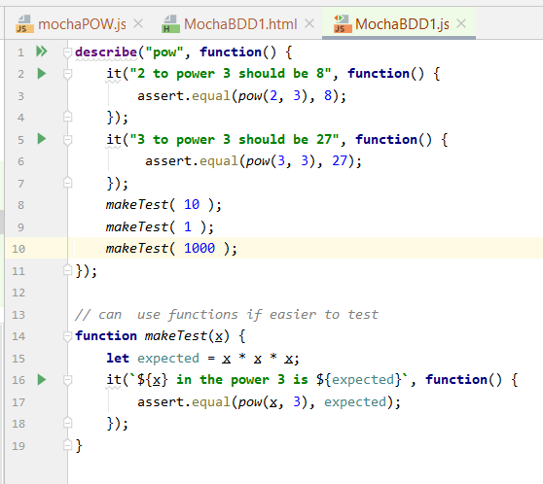
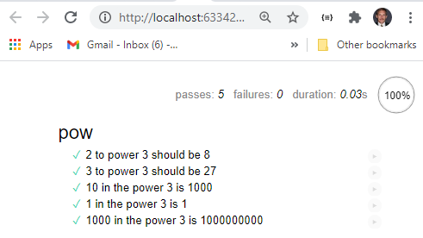

Can nest describes to shouwl 'test' catgories and improve documentation

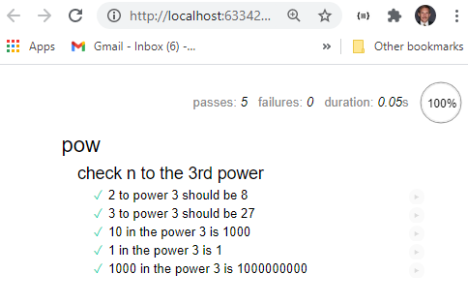
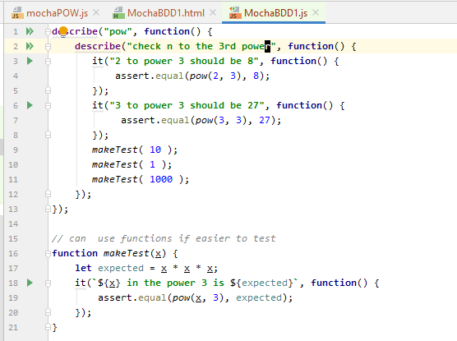

Generally used to ...
initialization, zero out counters or do something else between the tests (or test groups)
before/after and beforeEach/afterEach
before/after functions => before/after running tests,
beforeEach/afterEach => before/after every it()

Put in edge case and improve the code and re-test
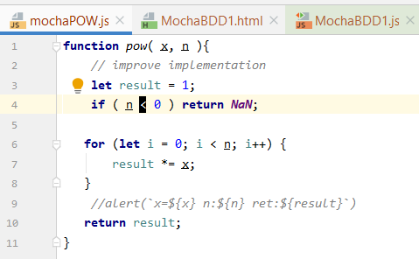
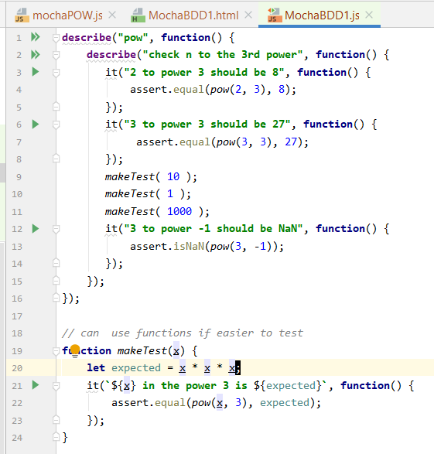

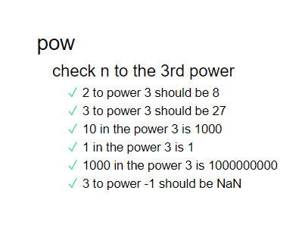

Add a test ... and retest

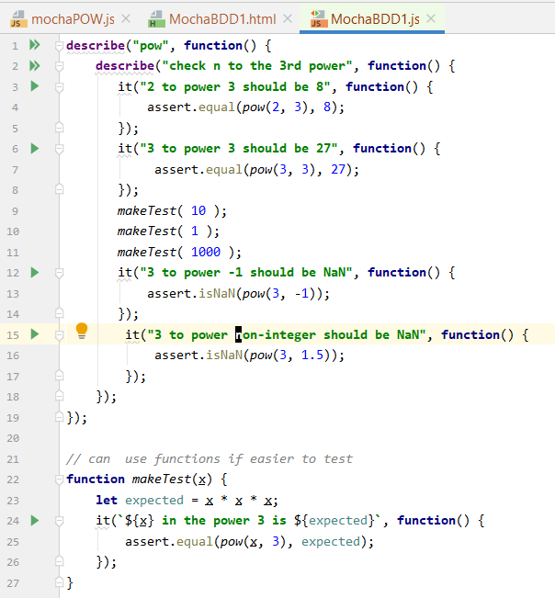
Fails ... so need to fix code and rerun

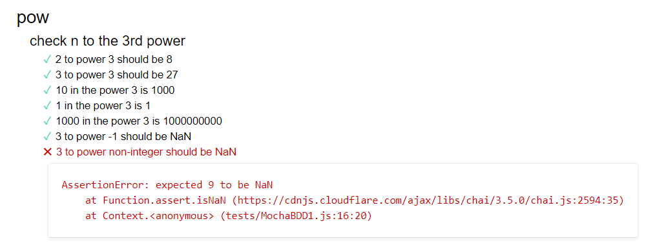

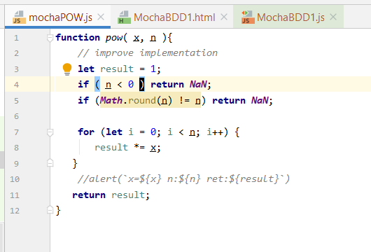

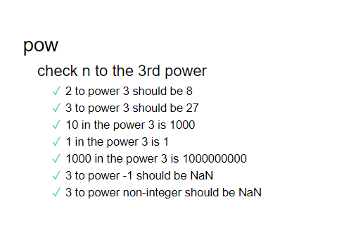

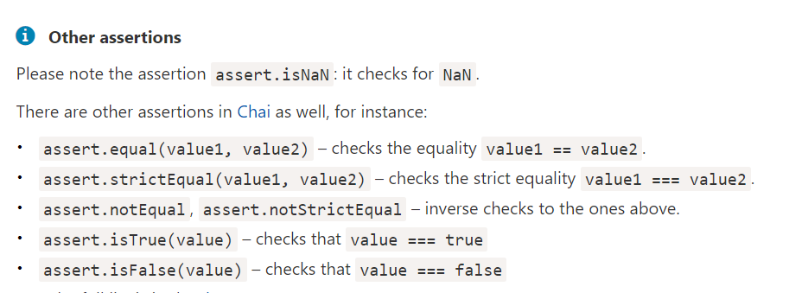

Full code asserts are : https://www.chaijs.com/api/assert/

CHai Overview
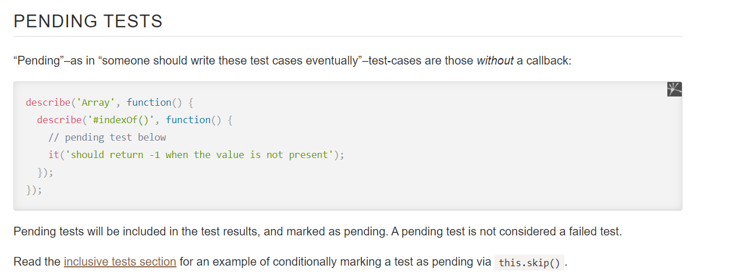
Mocha Testing Framework ... mochajs.org ... a testing framework ... main documentation: https://mochajs.org - That is your reading

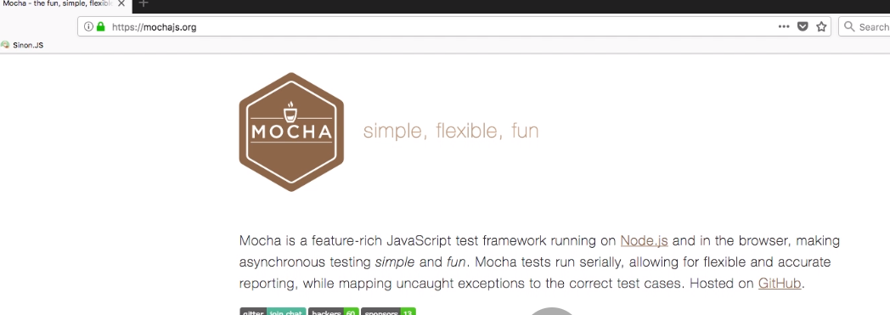
Mocha is a JavaScript test framework running on Node. js and in the browser.
Mocha allows asynchronous testing, test coverage reports, and use of any assertion library.
Chai is a BDD / TDD assertion library for NodeJS and the browser that can be delightfully
paired with any javascript testing framework

Recommended reading
https://www.chaijs.com/api/assert/

Node coes with a few assertions built in but its very basic. . . Search for node assert ... can find documentation

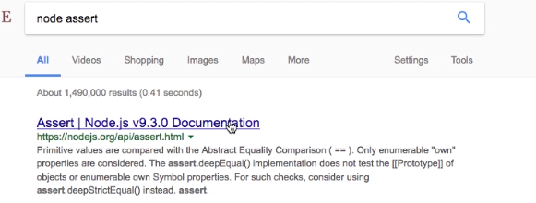

Open up VSC ... install mocha and make global

Create a new project ... create a folder called
'tests' make a file called test.js

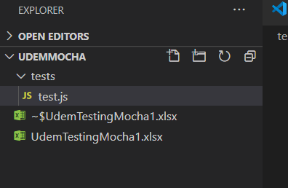

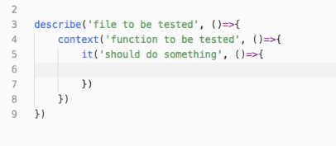

use 1 each foreach function to test
... tests go inside 'it' blocks
bdd .. it ('should add 2 numbers')
an it for each singe test

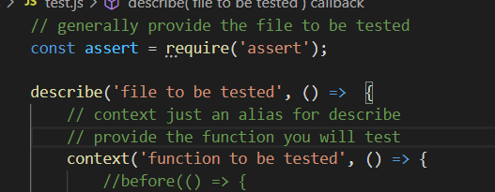

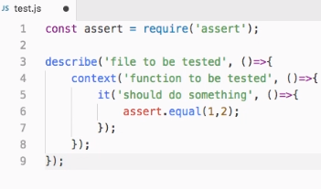

use 1 each foreach function to test
... tests go inside 'it' blocks
bdd .. it ('should add 2 numbers')
an it for each singe test

Can run by going to dir and
mocha test.js
see it fails .. note the it test name

Mocha is a JavaScript test framework running on Node. js and in the browser.
Mocha allows asynchronous testing, test coverage reports, and use of any assertion library.
Chai is a BDD / TDD assertion library for NodeJS and the browser that can be delightfully paired with any javascript testing framework
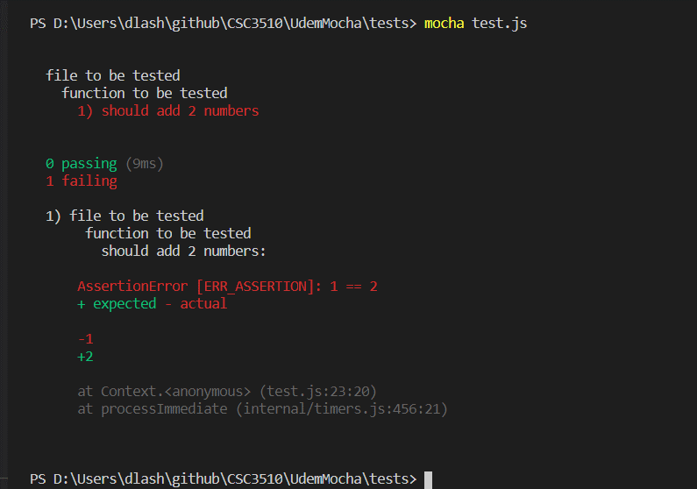

Change the it and it will work

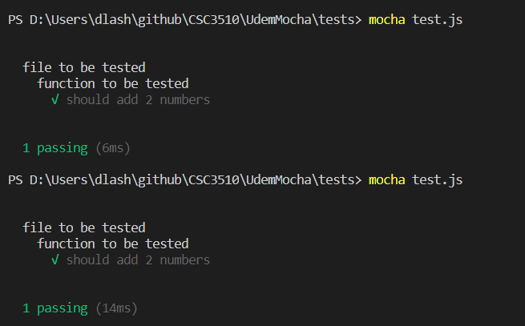

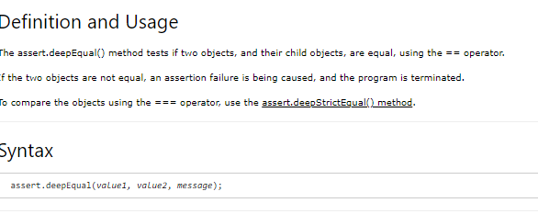

Add another test ... this compares opjects


F


Now both pass



This is a pending test ... no check mark ... this is for a function not ready to test

before and after
Use before and after for code to run before/after tests (set up and teardown) ... for example, a common object built or common variable or DB connection




Add a before and after function to be tested

You get a line before and after




Add a beforeeach and aftereach function to be tested

Runs before EACH function and after EACH

